Request
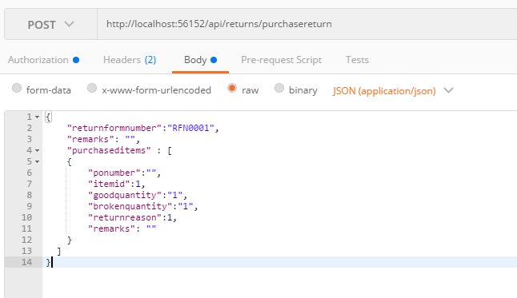
Parameter | Data Type | Length | Required | Unique | Remarks
Token | String |  | Yes |  | Bearer Token see AuthenticateAPI docu
ReturnFormNumber | String |  | Yes | Yes
Remarks | String
ReturnedItems | Array |  | Yes
PONumber | String
ItemId | Int |  | Yes
GoodQuantity | Int |  | See Remarks |  | Required if BrokenQuantity = 0
BrokenQuantity | Int |  | See Remarks |  | Required if GoodQuantity = 0
ReturnReason | Int |  | Yes
Remarks | String |  | See Remarks |  | Required if ReturnReason = Others

Example

Response
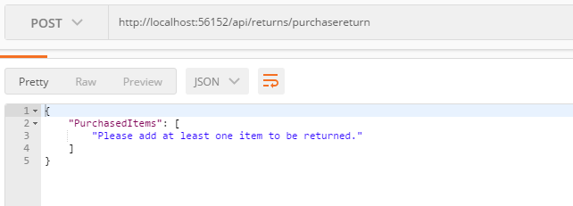
With Error

